Info
True Costs of Food Database
Version V1
2026
TMG - Töpfer, Müller, Gaßner GmbH
Information about the Database
The True Costs of Food Database Version 1 is the first publicly available database worldwide to apply a True Cost Accounting (TCA) approach, providing comprehensive data on the environmental and health impacts, along with the true costs, of food products consumed in the European Union. The database contains information on over 2,000 raw or minimally processed food items, representing more than 200 products sourced from 81 countries. The work builds on the Sustainability Assessment of Foods and Diets (SAFAD) database V. 1.99 and monetization factors from True Price and CE Delft. The impact modelling methodology is in line with the international life cycle assessment (LCA) guideline ISO 14040 and follows the ReCiPe 2016 LCA method. The True Costs of Food Database v. 1 was developed under the Horizon Europe research project PLAN’EAT, running from 2022–2026, with financial support from the European Commission. TMG – Töpfer, Müller, Gaßner GmbH led the development of the database. To avoid misunderstandings or inappropriate use, please consult True Costs of Food Database: Documentation and User Manual. The extensive documentation is available to ensure transparency in the work.
LICENSE: Creative Commons BY-NC-SA 4.0 International License

DISCLAIMER True Price B.V. and TMG - Töpfer, Müller, Gaßner GmbH have made every effort to ensure the fitness for purpose of data collected. True Price and TMG are not liable for assessing and assuring the completeness and accurateness of information and data provided by PLAN'EAT partners and third-parties (e.g. CE Delft), modifications and typographical errors reserved. True Price and TMG are not in any way liable for damages resulting from the use, incompleteness, inaccuracy or unsuitability of the data or resulting from any decisions or investments reached on the basis of information obtained from the database. The database is made available under the Creative Commons Attribution-NonCommercial-ShareAlike 4.0 International (CC BY-NC-SA 4.0) license.
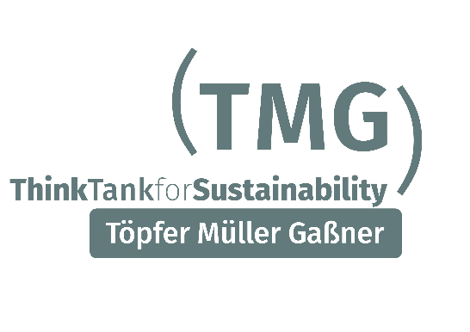

 | Funded by the European Union. Views and opinions expressed are however those of the author(s) only and do not necessarily reflect those of the European Union or REA. Neither the European Union nor the granting authority can be held responsible for them.

